Notes
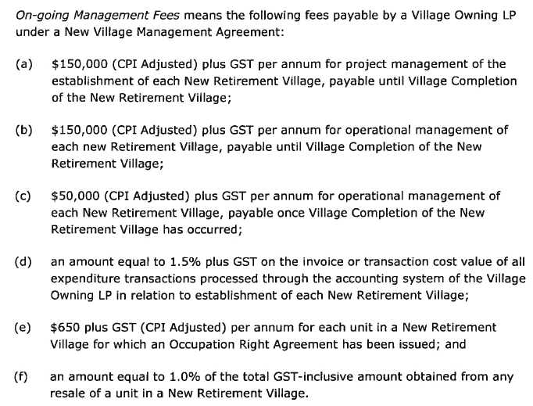
All items include GST unless otherwise stated.
Staging & Tranches
Land development assumed to be delivered in broad stages. Total land development costs allocated between stages, with each stage timed separately. This allows costs to be front loaded - reflecting typical delivery.
Vertical construction and unit sales assumed to be in tranches. Typical project may have 4 or 5 stages, however units are delivered in substages (i.e. tranches), only committing to say 5 or 6 units at any one time to limit capital and exposure. Modelling as smaller tranches is more aggressive (relative to overall stages) but provides a more accurate estimate of capital requirements and better reflects actual project delivery.
Tranches delivered in sequential order with a duration for each tranche and a lage between commencement of each tranche.
Because land development and vertical construction are delinked it is important to cross check timings to ensure reasonable i.e. not building units on undeveloped land. Front loading land development costs helps to mitigate this risk.
Capital
Model assumes all capital flows freely. This allows for better comparability between projects, however in practice capital flows may be restricted.
Retirement villages are regulated and to protect residents a Statutory Supervisor ('SS') is appointed to monitor the village including financial position, solvency etc. In short the SS will always need comfort that sufficient capital available and invested to complete the development. Will depend on project specific risk e.g. freehold vs operating lease, progress (100 units remaining or 10 units remaining) and funding structure. This may slightly delay the release of capital towards the backend of the project, however it is not expected to be prohibitive or material to returns hence it is ignored.
Debt & Leverage
Model is unleveraged. This is also for comparability and simplicity reasons. Funding structure and equity requirements can easily be inferred from peak capital and cashflow projections - refer output. If required, debt assumptions could be built into the model.
Note, becuase equity receives a preferred return (8% interest charge), introducing debt would not increase overall costs. Instead changes the cost structure, noting that the preferred return only applies to A-Class shareholders (so not a true cost for A-Class). Any reduction in preferred return for A-Class would be outweighed by improvement in overall outcomes from reduced equity requirements.
Growth & Inflation
Inflation inputs included for capital growth and CPI. Capital growth applies to ORA sales during development and ongiong unit turnover income. CPI applies to development costs during development (excl land) and the ground lease during operating phase.
To ensure consistency all items must be inflated. Not fair to apply inflation to ground lease but not the value of units / DMF. This doesn't prevent application of different inflation rates if for example believed that capital growth will lag CPI.
For transparency the impact of these assumptions are presented separately within the ORA Surplus calculations - refer Outputs.
Preferred Interest
Inputs to set how much is paid out vs accrued. To avoid dilution of Hāpai overall cash return typically target 4.5% paid and 3.5%.
Any amount accrued will be released at development completion as occurs in practice. However, whether paid out or accrued difference is immaterial.
Fees
Koau fees not included
Hāpai share of KPV fees (via 50% stake in KPVLP) not captured within the model. Conservative and acknowledges that there are costs associated with these fees and not all profit.
No allowance for KPV transaction fee threshold / rebate structure.
KPV operational management post development ($50k CPI adjusted) assumed to be covered by resident fees (fixed / floating).
KPV fees per JV Agreement attached below.
Operating Lease
Set as a % of assumed land value
Structure - flat (i.e. no rent reviews) during development, CPI catch up mechanism once development complete and annual CPI thereafter
Terminal Value & Discount Rate
Terminal value applies the same discount rate to both the unit turnover income and operating lease (if applicable).
The operating lease increases risk, which should be reflected in a higher discount rate relative to freehold.
Appropriate discount rate is highly subjective. The 'as if complete' valuation for Papamoa adopted a discount rate of 20%, reflecting the leasehold structure, lack of capital gains, lack of embedded value as a newly completed village and likely cashflow shortfalls in early years as units sold down. The latter two factors do not apply to a mature village (assumption of terminal value). Therefore, in lieu of additional information, would consider 17.5% appropriate for leasehold and 15% for freehold. Ultimately limited impact on IRR calculation.
Note in theory if valued the two components separately, applying different discount rates to different risk profiles (lease vs RV income), should produce the same answer. However, this is overly prescriptive and ignores that the lease is an inherent component of the village.

Project Inputs
LAND

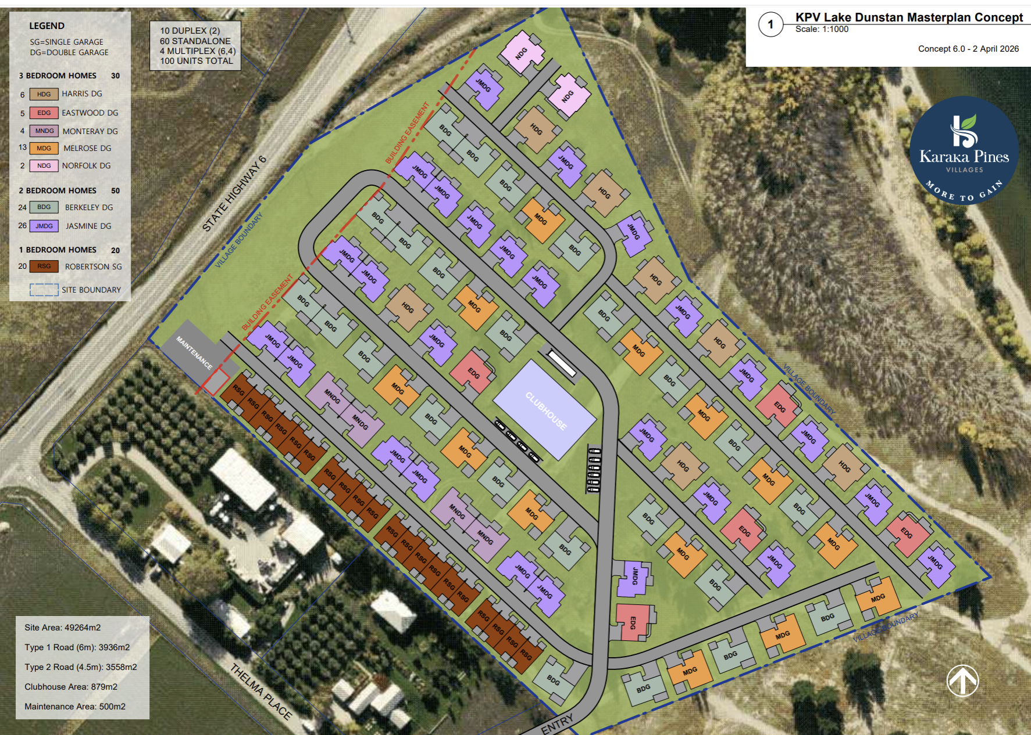
 | Details
 |  | Model | Operating Lease | "Ownership" covers both freehold and pre-paid ground lease
 |  | Land Area | 49,109 | sqm

 | Value |  | Per sqm | Total
 |  | Value (excl GST) | 150 | 9,821,800
 |  | Value (incl GST) | 230 | 11,295,070

 | Lease
 |  | Cap Rate | 6.00% | applied to the GST inclusive land value
 |  | Rental - annual (incl GST) | 677,704
 |  | Rental - period (incl GST) | 56,475

DEVELOPMENT OVERVIEW

 |  | Unit Type | Description | Typology | Bedrooms | Bathrooms | Garages | Floor Area | Value Ratio | Market Value | Quantity | Value Ratio Reworked | Value per SQm | Sales lag
 |  | KDG | Standalone | House | 3 | 2 | 2 | 180 | 125% | 1,384,943 | - | 142%
 |  | HDG | Standalone | House | 3 | 2 | 2 | 180 | 102% | 1,275,000 | - | 116%
 |  | NDG | Standalone | House | 3 | 2 | 2 | 180 | 100% | 1,250,000 | - | 114%
 |  | BSG | 2 bed duplex | House | 2 | 1.5 | 1 | 122 | 78% | 975,000 | 53 | 100% | 8,018
 |  | JMSG | 2 bed duplex | House | 2 | 1.5 | 1 | 121 | 77% | 962,500 | - | 99%
 |  | JMDG | 2 bed duplex | House | 2 | 1.5 | 2 | 137 | 80% | 1,000,000 | - | 103%
 |  | ESG | 3 bed duplex | House | 3 | 2 | 1 | 133 | 89% | 1,106,250 | - | 101%
 |  | MSG | 3 bed duplex | House | 3 | 2 | 1 | 139 | 89% | 1,108,750 | - | 101%
 |  | MNSG | 3bd (mix dpl and stand) | House | 3 | 2 | 1 | 144 | 88% | 1,100,000 | 32 | 100% | 7,628
 |  | LSG | 3 bed duplex | House | 3 | 2 | 1 | 146 | 88% | 1,100,000 | - | 100%
 |  | MDG | 3 bed duplex | House | 3 | 2 | 2 | 156 | 96% | 1,200,000 | - | 109%
 |  | R6 | 1 bed dplx | House | 1 | 1 | 1 | 90 | 65% | 812,500 | 20 | 83% | 9,028
 |  | S1 | Stanaway | Apartment | 2 | 2 | 1 | 149 | 86% | 1,075,000 | - | 110%
 |  | S2 | Stanaway | Apartment | 2 | 2 | 1 | 140 | 86% | 1,075,000 | - | 110%
 |  | S3 | Stanaway | Apartment | 2 | 2 | 1 | 152 | 92% | 1,150,000 | - | 118%
 |  | S4 | Stanaway | Apartment | 3.5 | 2 | 1 | 239 | 89% | - | - | N/A
 |  | S5 | Stanaway | Apartment | 2.5 | 2 | 1 | 199 | 92% | - | - | N/A
 |  | Total / Weighted Average |  |  |  |  |  |  |  | 982,143 | 105

 |  | Base Value 1 Bedroom Units | 812,500
 |  | Base Value 2 Bedroom Units (base) | 975,000 |  |  |  |  |  |  | updated - need to confimr pricing
 |  | Base Value 3 Bedroom Units | 1,100,000

VERTICAL CONSTRUCTION

 |  | Input Build Rate (psm) (incl GST) | 3,719 |  |  |  |  | Proposed starting uint pricing
 |  | Sensitivity | 0.0%
 |  | Applied Build Rate (psm) (incl GST) | 3,719
 |  | Apartment Premium | 40.0%

 | Costs
 |  |  | House | Apartment | Total
 |  | Build Rate (psm) (incl GST) | 3,719 | 5,206 | 3,719
 |  | Floor Area | 12,859 | - | 12,859
 |  | Total Cost (incl GST) | 47,818,832 | - | 47,818,832

LAND DEVELOPMENT

 | Costs
 |  |  | Base |  | Rate (excl GST) | Total (excl GST) | Total (incl GST)
 |  | P&G per stage | 3 |  | 55,000 | 165,000 | 189,750
 |  | Landscaping | 105 | units | 20,000 | 2,100,000 | 2,415,000
 |  | Signage and Entrance | 1 |  | 40,000 | 40,000 | 46,000
 |  | Fencing frontage | 275 |  | 400 | 110,000 | 126,500
 |  | Fencing back | 175 |  | 400 | 70,000 | 80,500
 |  | Roading Internal | 105 | units | 11,000 | 1,155,000 | 1,328,250
 |  | Sewer | 105 | units | 4,500 | 472,500 | 543,375 |  | average across standard villages is 120k
 |  | Stormwater | 105 | units | 6,100 | 640,500 | 736,575 |  | Waihi beach with stormwater/high DC's is ~220k
 |  | Water Mains reticulation | 105 | units | 3,500 | 367,500 | 422,625
 |  | Earthworks & land remediation | 91 | units | 45,000 | 4,095,000 | 4,709,250
 |  | Additional earthworks to foreshore | 10,000 |  | 20 | 200,000 | 230,000
 |  | Clearance & sediment control | 49,109 | sqm | 4 | 196,436 | 225,901
 |  | Sloping land retaining walls | 12,000 |  | 30 | 360,000 | 414,000
 |  | Power | 105 | units | 8,000 | 840,000 | 966,000
 |  | Streetlights | 53 | units / 2 | 3,500 | 183,750 | 211,312
 |  | Fibre | 105 | units | 500 | 52,500 | 60,375
 |  | Nursecall/Security System | 105 | units | 4,500 | 472,500 | 543,375
 |  | Total |  |  |  | 11,520,686 | 13,248,789
 |  |  |  |  |  |  | 126,179

COMMUNITY CENTRE

 | Residents
 |  | Units | 105
 |  | Average residents per unit | 1.7
 |  | Total residents (estimate) | 179

 | Community Centre Components
 |  |  | Area Required
 |  | Hospital | - | n/a
 |  | Dining room | 357 | 2sqm per resident
 |  | Kitchen | 42 | 20sqm per x50 units
 |  | Toilets | 71 | 4sqm per x10 residentsunits
 |  | Games | 74 | 35sqm per x50 units
 |  | Changing & Shower | 42 | 20sqm per x50 units
 |  | Gym | 13 | 30% of gym
 |  | Pool area | 200 | hardcode
 |  | Admin and Staff area | 50 | hardcode
 |  | Total | 849

 | Village Rating
 |  | Village Star Rating | 4.5

 |  | Rating | Garden area | Garden Costs | Pavilion cost | Fit out cost
 |  | 4.5 | 24 | 250 | 7,000 | 800
 |  | 4 | 22 | 235 | 6,000 | 667
 |  | 3.5 | 20 | 217 | 5,000 | 533
 |  | 3 | 18 | 200 | 4,000 | 400

 | Costs
 |  |  | Base |  | Rate (incl GST) | Total (incl GST)
 |  | Pavilion Cost | 849 | sqm | 5,000 | 4,242,500
 |  | Pavilion Design | 4,242,500 |  | 0 | 424,250
 |  | Fit out cost | 849 | sqm | 1,500 | 1,272,750
 |  | Visitor parking | 18 | 1 per 10 residents | 3,705 | 66,134
 |  | Communal Gardens | 2,520 |  | 250 | 630,000
 |  | Breathing spaces | - |  | - | -
 |  | Bowling green | 5 | lanes | 60,000 | 300,000
 |  | Swimming Pool | - |  | - | -
 |  | Workshop | 75 |  | 400 | 30,000
 |  | Contingency | 6,965,634 |  | 10.0% | 696,563
 |  | Total |  |  |  | 7,662,198

PRELIMINARY COSTS

 |  |  | Base |  | Rate (incl GST) | Total (incl GST)
 |  | Finance
 |  | Bank fee | 1 |  | 80,000 | 80,000
 |  | Legal | 1 |  | 50,000 | 50,000
 |  | Valuation | 1 |  | 25,000 | 25,000

 |  | Registration
 |  | Legal | 1 |  | 30,000 | 30,000
 |  | Trustee | 1 |  | 20,000 | 20,000

 |  | Council Fees
 |  | Resource consent | 1 |  | 500,000 | 500,000
 |  | Development & Financial Contribution | 105 |  | 25,000 | 2,625,000 |  | calced again HUE and in region and updated to included new units

 |  | Other
 |  | Detailed design - initial | 20 | units | 7,000 | 140,000
 |  | Preliminary | 1 |  | 20,000 | 20,000
 |  | Supervision | 105 |  | 4,500 | 472,500
 |  | Hearing costs | 1 |  | 60,000 | 60,000

 |  | Total Preliminary Costs |  |  |  | 4,022,500

HOLDING & OTHER COSTS

 |  |  | Base |  | Rate (incl GST) | Total (incl GST)
 |  | Detailed design - subsequent | 105 | units | 5,700 | 598,500 |  | updated
 |  | Annual operating deficit | 735 | $500/unit pa | 500 | 367,500 |  | check operating deficit in other villages
 |  | Rates / insurance | 735 | $35/unit pa | 35 | 25,725
 |  | Marketing | 1 |  | 1,500,000 | 1,500,000 |  | To check: does this include commissions?
 |  |  |  |  |  |  |  | Annual or total project?
 |  | Total Holding & Other Costs |  |  |  | 2,491,725

FEES
 | Refer Model Inputs - Operating for resale fee

 |  | KPV Transcation Fee | 1.00% | 1.0% of budgeted development cost (including land value)
 |  | KPV Processing Fee | 1.50% | 1.5% + GST (NB: 1.5% applied to GST incl costs so the "plus GST") is automatically captured
 |  | KPV Project Management (development) | 150,000 | p.a.
 |  | KPV Operational Management (development) | 150,000 | p.a.

STAGING & TIMING

 | Land Development
 |  |  | Commencement | Duration | Allocation
 |  | Stage 1 | 6 | 8 | 40%
 |  | Stage 2 | 18 | 6 | 30%
 |  | Stage 3 | 30 | 6 | 30% |  | need additional stages to allow for funding gates
 |  | Stage 4 | - | - | 0%
 |  | Stage 5 | - | - | 0%

 | Vertical Construction
 |  | Timing
 |  | Commencement | 16 | month
 |  | Construction Duration | 3 | months per tranche
 |  | Lag | 3 | months between commencement of tranches
 |  | Sales lag | 3 | months post completion

 |  | Tranches
 |  | Tranche Size | 6
 |  | Tranches | 18

 |  | Tranches | Units |  |  | Total duration |  | we are ~5 months from construction commencing - ready for resident (currenlty)
 |  | 1 | 6
 |  | 2 | 6
 |  | 3 | 6
 |  | 4 | 6
 |  | 5 | 6
 |  | 6 | 6
 |  | 7 | 6
 |  | 8 | 6
 |  | 9 | 6
 |  | 10 | 6
 |  | 11 | 6
 |  | 12 | 6
 |  | 13 | 6
 |  | 14 | 6
 |  | 15 | 6
 |  | 16 | 6
 |  | 17 | 6
 |  | 18 | 3
 |  | 19 | -
 |  | 20 | -
 |  | 21 | -
 |  | 22 | -
 |  | 23 | -
 |  | 24 | -
 |  | 25 | -

 | Other
 |  |  | Commencement | Duration
 |  | Land Acquisition | 1 | 1
 |  | Preliminary Costs | 2 | 4
 |  | Community Centre | 24 | 9
 |  | KPV Transaction Fee | 1 | 1

Output
KEY INPUTS & SENSITIVITY

 | A Class Share Allocation
 |  | Hāpai | 100% | % of A-class shares
 |  | Vendor | 0% | % of A-class shares

 | Land
 |  | Model | Operating Lease | "Ownership" covers both freehold and pre-paid ground lease

 |  |  | Per sqm | Total
 |  | Value (excl GST) | 200 | 9,821,800
 |  | Value (incl GST) | 230 | 11,295,070

 |  | Cap Rate | 6.00% | only applicable to ground lease model
 |  | Rental - annual (incl GST) | 677,704

 | Build Cost
 |  | Input Build Rate (psm) (incl GST) | 3,719 | base build rate (with premium applied for apartments where applicable)

 | ORA Sales |  |  |  |  |  | Area m2 | m2 Sell
 |  | Base Value 2 Bedroom Units | 975,000 |  |  |  | 122 | 7992
 |  | Base Value 3 Bedroom Units | 1,100,000 | all units valued in proportion to base value |  |  | 144 | 7639
 |  | Average Value (incl GST) | 982,143 | average will vary based on proposed delivery mix

 | Growth & Inflation
 |  | Capital Growth | 2.00% | applicable to ORA sales and unit turnover income
 |  | Inflation - Costs | 2.00% | applicable to development costs
 |  | Inflation - Lease | 2.00% | applicable to operating lease

ORA SURPLUS

 |  | ORA Sales | 103,125
 |  | Inflation - ORA | 6,720 | increase in values during development - highlighted as separate item for transparency
 |  |  | 109,845

 |  | Land | -
 |  | Ground Lease | 3,897
 |  | Preliminary Costs | 4,023
 |  | Land Development | 13,249
 |  | Vertical Construction | 47,819
 |  | Community Centre | 7,662
 |  | Holding & Other | 2,492
 |  | KPV Processing Fee | 1,129
 |  | KPV Transaction Fee | 865
 |  | KPV Management Fee | 1,725
 |  | Inflation - Cost | 3,751 | cost inflation during development - highlighted as separate item for transparency
 |  |  | 86,611

 |  | Surplus Pre-Preferred | 23,234 | 22.5%

 |  | Preferred Interest | 5,251 | in 6 Years of Development |  |  |  |  | Preferred Interest; Ownership |  | 11,251 | Copy and paste for lease ORA surplus scenario
 |  |  |  |  |  |  |  |  | Preferred Interest: Formula Driven |  | 5,251 | For comparison/to maintain back up
 |  | ORA Surplus | 17,984 | 17.4% | easy dev margin indicator
 |  |  |  |  |  |  |  | Noting that at 50/50 investment the ORA surplus shifts directly from KPV to the Vendor as part of entering the lease

OUTPUT

 |  |  | Hāpai | KPV | Vendor | Total |  | A Class | B Class
 |  | Shareholdings
 |  | A-Class | 70.0% | - | - | 70.0% |  | 70.0% | -
 |  | B-Class | 15.0% | 15.0% | - | 30.0% |  | - | 30.0%
 |  | Total | 85.0% | 15.0% | - | 100.0% |  | 70.0% | 30.0%

 |  | Development Output
 |  | Peak Capital (net of preferred) | 20,604 | - | - | 20,604 |  | 20,604 | -

 |  | Share of ORA Surplus | 15,286 | 2,698 | - | 17,984 |  | 12,589 | 5,395
 |  | Share of Preferred Interest | 5,251 | - | - | 5,251 |  | 5,251 | -
 |  | Total | 20,537 | 2,698 | - | 23,234 |  | 17,839 | 5,395

 |  | Margin (on share of costs) | 23.7% | n/a | n/a | 26.8% |  | 20.6% | n/a
 |  | Margin (on share of capital) | 99.7% | n/a | n/a | 112.8% |  | 86.6% | n/a

 |  | Long Term Investment
 |  | IRR (15 year - real basis) | 20.3% | n/a | n/a | 21.6% |  | 18.9% | 0.0%

 |  | Annual Cashflow (at maturity) | 2,565 | 453 | - | 3,018 |  | 2,112 | 905 | Note it will take 4-5 years post development for the village to reach maturity (i.e. full churn / turnover)

 |  | Investment Value (at maturity) | 14,658 | 2,587 | - | 17,245 |  | 12,071 | 5,173 | Operator's Interest (including ground lease if appplicable)

Cumulative Development Cashflows (net of preferred)
 | Hāpai | Vendor | Total
1 | (983,520) | - | (983,520)
2 | (2,122,358) | - | (2,122,358)
3 | (3,261,197) | - | (3,261,197)
4 | (4,400,035) | - | (4,400,035)
5 | (5,538,874) | - | (5,538,874)
6 | (6,329,379) | - | (6,329,379)
7 | (7,119,884) | - | (7,119,884)
8 | (7,910,389) | - | (7,910,389)
9 | (8,700,894) | - | (8,700,894)
10 | (9,491,399) | - | (9,491,399)
11 | (10,281,904) | - | (10,281,904)
12 | (11,072,409) | - | (11,072,409)
13 | (11,877,594) | - | (11,877,594)
14 | (11,996,956) | - | (11,996,956)
15 | (12,116,318) | - | (12,116,318)
16 | (13,152,474) | - | (13,152,474)
17 | (14,188,629) | - | (14,188,629)
18 | (15,910,608) | - | (15,910,608)
19 | (17,632,587) | - | (17,632,587)
20 | (19,354,566) | - | (19,354,566)
21 | (15,183,688) | - | (15,183,688)
22 | (16,905,666) | - | (16,905,666)
23 | (18,627,645) | - | (18,627,645)
24 | (14,652,352) | - | (14,652,352)
25 | (16,607,137) | - | (16,607,137)
26 | (18,561,922) | - | (18,561,922)
27 | (14,623,850) | - | (14,623,850)
28 | (16,578,636) | - | (16,578,636)
29 | (18,533,421) | - | (18,533,421)
30 | (15,294,889) | - | (15,294,889)
31 | (17,949,214) | - | (17,949,214)
32 | (20,603,539) | - | (20,603,539)
33 | (16,465,971) | - | (16,465,971)
34 | (18,221,260) | - | (18,221,260)
35 | (19,976,549) | - | (19,976,549)
36 | (15,139,441) | - | (15,139,441)
37 | (16,215,175) | - | (16,215,175)
38 | (17,290,910) | - | (17,290,910)
39 | (12,473,787) | - | (12,473,787)
40 | (13,549,522) | - | (13,549,522)
41 | (14,625,256) | - | (14,625,256)
42 | (9,808,133) | - | (9,808,133)
43 | (10,883,868) | - | (10,883,868)
44 | (11,959,602) | - | (11,959,602)
45 | (7,142,479) | - | (7,142,479)
46 | (8,218,214) | - | (8,218,214)
47 | (9,293,948) | - | (9,293,948)
48 | (4,476,825) | - | (4,476,825)
49 | (5,572,945) | - | (5,572,945)
50 | (6,669,065) | - | (6,669,065)
...

Cumulative Units Complete
1 | -
2 | -
3 | -
4 | -
5 | -
6 | -
7 | -
8 | -
9 | -
10 | -
11 | -
12 | -
13 | -
14 | -
15 | -
16 | -
17 | -
18 | 6
19 | 6
20 | 6
21 | 12
22 | 12
23 | 12
24 | 18
25 | 18
26 | 18
27 | 24
28 | 24
29 | 24
30 | 30
31 | 30
32 | 30
33 | 36
34 | 36
35 | 36
36 | 42
37 | 42
38 | 42
39 | 48
40 | 48
41 | 48
42 | 54
43 | 54
44 | 54
45 | 60
46 | 60
47 | 60
48 | 66
49 | 66
50 | 66
...

